Sheet1
AMAZON ECHO |  |  | "AMAZON ECHO"

PRODUCT CONCEPT:
Amazon Echo is a voice-activated smart speaker that uses artificalontelligence (AI) to perform various tasks,provide information ,and control smart devices.

key features:
 | 1.virtual assistant(alexa)
 | 2.voice recognition
 | 3.smart home automation
 | 4.music streaming
 | 5.news updates

HOW IT WORKS:
 |  | 1.User speaks to echo using voice commands(ex:alexa,play music)
 |  | 2.echos microphone picks up the voice command
 |  | 3.alexa processes the request using natural language processing(NLP)
 |  | 4.alexa retrives relevant information or performs the requested action
 |  | 5.echo responds with voice feedback or takes action (EX:play music)

BENEFITS:
 |  | 1.Hands free control
 |  | 2.convenient acess to information
 |  | 3.smart home automation
 |  | 4.personalized recommendations
 |  | 5.entertainment(music,audio books,podcasts)

 |  |  |  |  | LUCID | LUCID CHART 0F AMAZON ECHO |  | LUCID GRAPH OF AMAZON ECHO

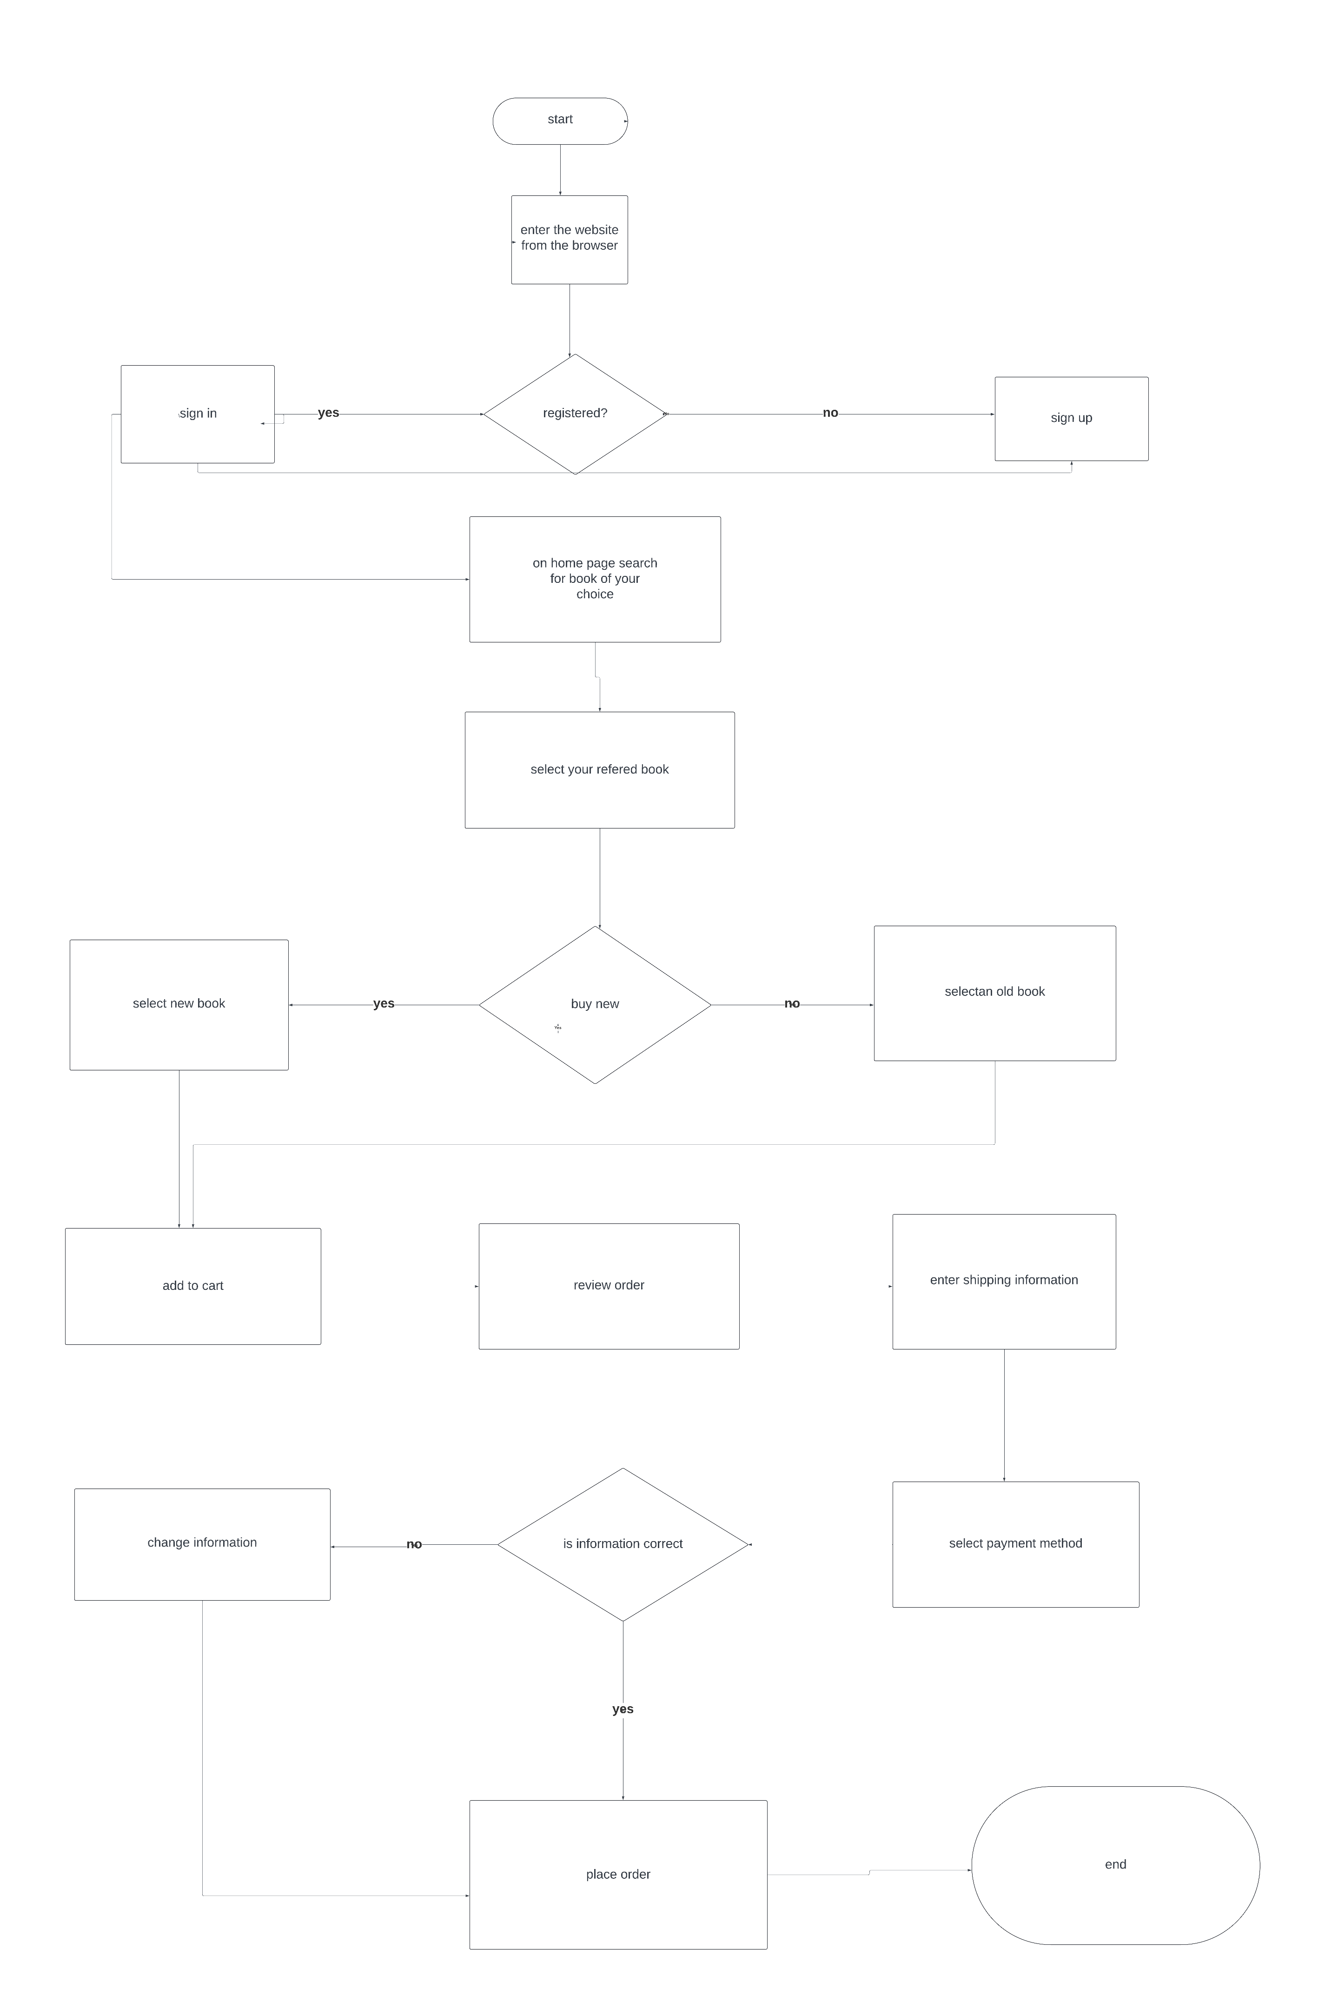

 |  |  |  | FUTURE DEVELOPMET:
 |  |  |  |  |  |  | 1.Improved ai capabilities
 |  |  |  |  |  |  | 2.enhanced smart home integration
 |  |  |  |  |  |  | 3.muiti language support
 |  |  |  |  |  |  | 4.integration with more devices

